KPIs
 | Total generation (MWh) | name | Energy (MWh) | Power (MW) | Duration (h) | Battery charge (MWh) | Battery discharge (MWh) | Throughput (MWh) | Equivalent cycles | Real efficiency | Utilization factor | Hours SOC 0–5% | Hours SOC 95–100%
PV | 3196.46 | BatteryStore_1_0 | 131.845 | 17.348 | 7.6 | 147.2 | 132.9 | 280.1 | 1.062 | 0.9025 | 0.3192 | 8 | 1
Wind | 4476.99
Dispatch | 1433
Grid import | 0
Battery discharge | 132.88
Total | 9239.34

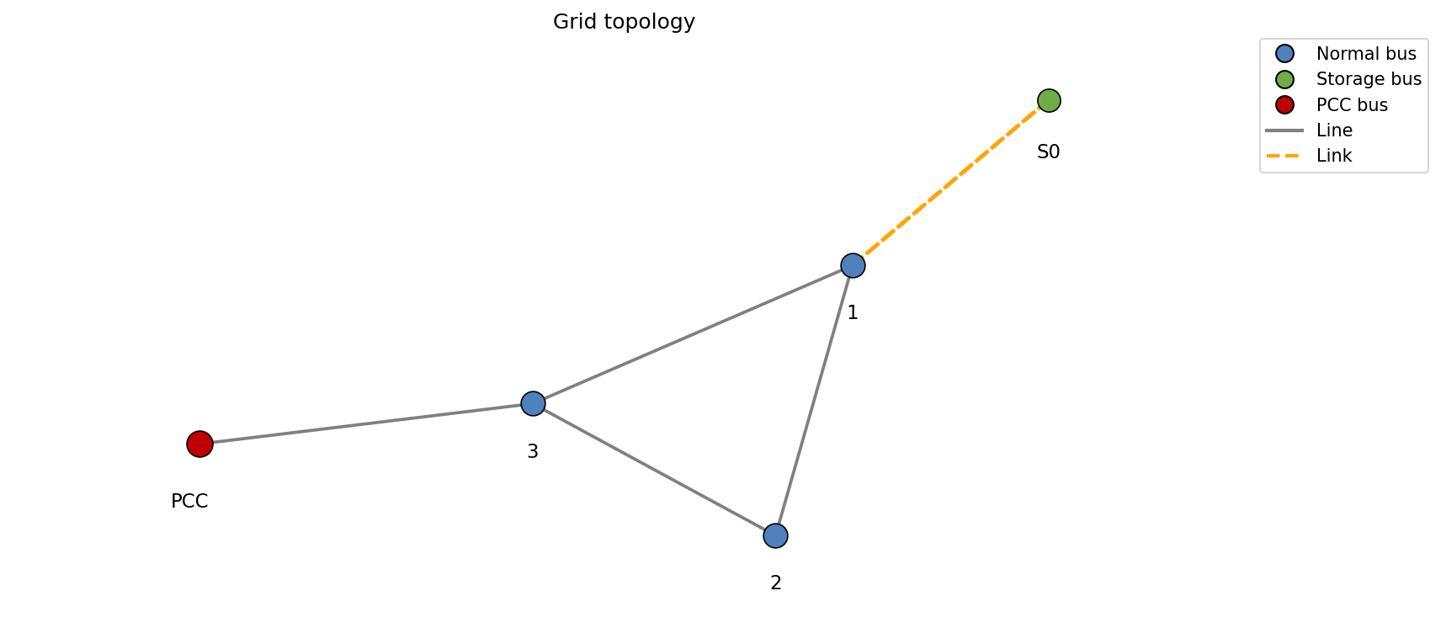
 | Total consumption (MWh)
Served load | 6692.1
Unserved load | 0
Grid export | 2400
Battery charge | 147.24
Total | 9239.34

 | Open interactive Sankey

 | Total battery loses (MWh)
 | 14.36
 | 9.75 %

 | Renewable data
Renewable share | 114.66 %
Total available renewable (MWh) | 9094.63
Total used renewable (MWh) | 7673.46
Curtailment (MWh) | 1421.17
Curtailment (%) | 15.63 %

dispatch
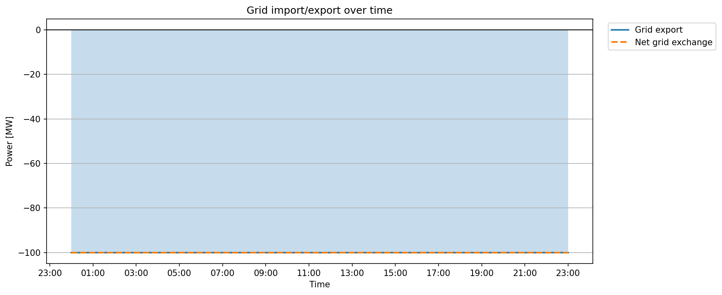
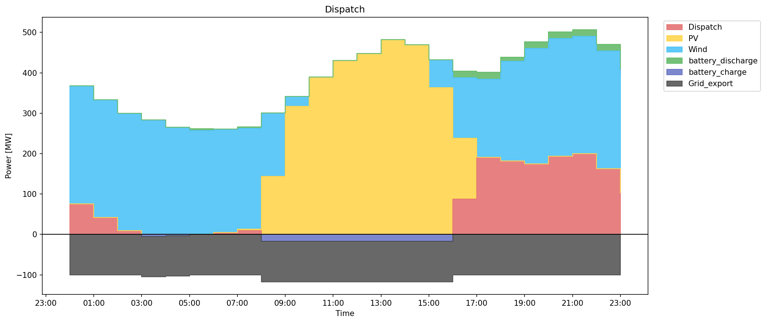
snapshot | PV | Wind | battery_discharge | Dispatch | battery_charge | Grid_export
2022-01-01 | 0 | 292.52 | 0 | 75.35 | 0 | -100
2022-01-01 | 0 | 291.71 | 0 | 41.67 | 0 | -100
2022-01-01 | 0 | 291.1 | 0 | 9.12 | 0 | -100
2022-01-01 | 0 | 283.76 | 0 | 0 | -4.91 | -100
2022-01-01 | 0 | 265.69 | 0 | 0 | -3.55 | -100
2022-01-01 | 0 | 257.24 | 4.12 | 0 | 0 | -100
2022-01-01 | 0 | 255.81 | 0 | 4.63 | 0 | -100
2022-01-01 | 3 | 249.83 | 3.51 | 9.59 | 0 | -100
2022-01-01 | 144 | 156.41 | 0 | 0 | -17.35 | -100
2022-01-01 | 317 | 24.15 | 0 | 0 | -17.35 | -100
2022-01-01 | 389.81 | 0 | 0 | 0 | -17.35 | -100
2022-01-01 | 430.26 | 0 | 0 | 0 | -17.35 | -100
2022-01-01 | 447.49 | 0 | 0 | 0 | -17.35 | -100
2022-01-01 | 481.76 | 0 | 0 | 0 | -17.35 | -100
2022-01-01 | 469.15 | 0 | 0 | 0 | -17.35 | -100
2022-01-01 | 363 | 69 | 0 | 0 | -17.35 | -100
2022-01-01 | 151 | 149.51 | 16.48 | 87.48 | 0 | -100
2022-01-01 | 0 | 193.9 | 16.48 | 190.66 | 0 | -100
2022-01-01 | 0 | 247.41 | 9.89 | 181.45 | 0 | -100
2022-01-01 | 0 | 285.77 | 16.48 | 174.2 | 0 | -100
2022-01-01 | 0 | 291.53 | 16.48 | 193.32 | 0 | -100
2022-01-01 | 0 | 290.29 | 16.48 | 200 | 0 | -100
2022-01-01 | 0 | 290.88 | 16.48 | 163.02 | 0 | -100
2022-01-01 | 0 | 290.49 | 16.48 | 102.53 | 0 | -100

renewables
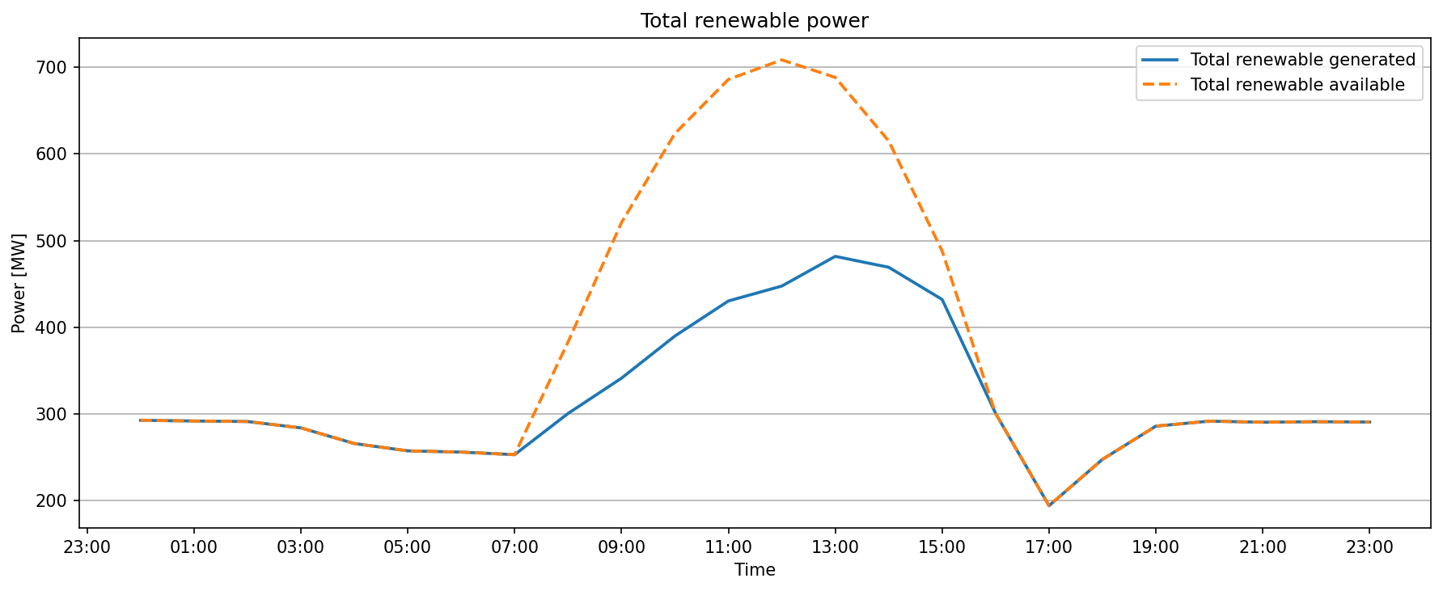
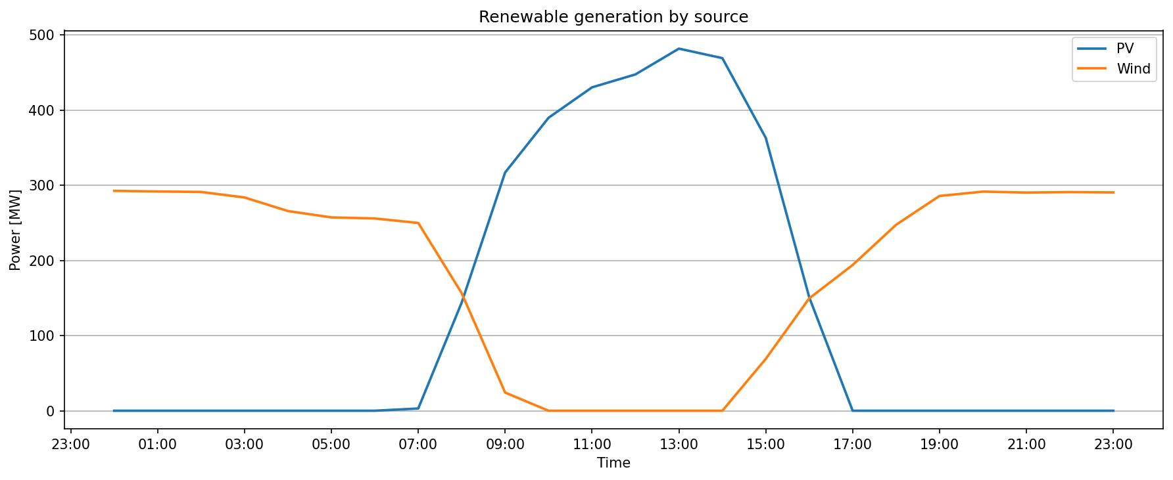
time | PV2_0_available | PV2_0_used | PV2_0_curtailment | Wind3_1_available | Wind3_1_used | Wind3_1_curtailment | Total_available | Total_used | Total_curtailment
2022-01-01 | 0 | 0 | 0 | 292.52 | 292.52 | 0 | 292.52 | 292.52 | 0
2022-01-01 | 0 | 0 | 0 | 291.71 | 291.71 | 0 | 291.71 | 291.71 | 0
2022-01-01 | 0 | 0 | 0 | 291.1 | 291.1 | 0 | 291.1 | 291.1 | 0
2022-01-01 | 0 | 0 | 0 | 283.76 | 283.76 | 0 | 283.76 | 283.76 | 0
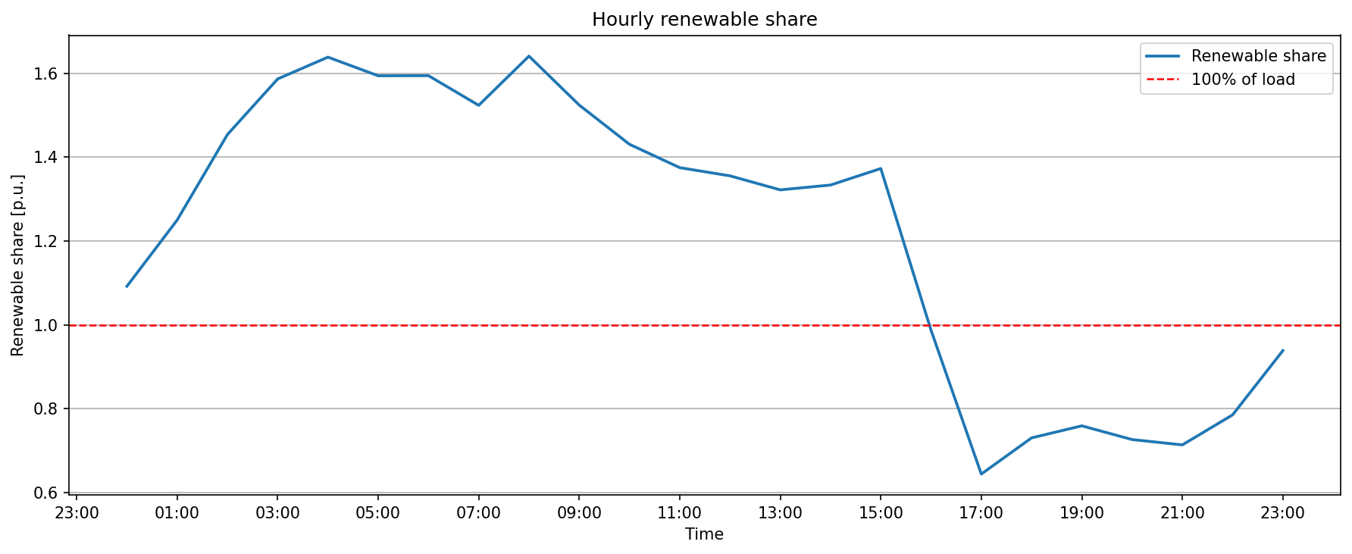
2022-01-01 | 0 | 0 | 0 | 265.69 | 265.69 | 0 | 265.69 | 265.69 | 0
2022-01-01 | 0 | 0 | 0 | 257.24 | 257.24 | 0 | 257.24 | 257.24 | 0
2022-01-01 | 0 | 0 | 0 | 255.81 | 255.81 | 0 | 255.81 | 255.81 | 0
2022-01-01 | 3 | 3 | 0 | 249.83 | 249.83 | 0 | 252.83 | 252.83 | 0
2022-01-01 | 144 | 144 | 0 | 238.9 | 156.41 | 82.49 | 382.9 | 300.41 | 82.49
2022-01-01 | 317 | 317 | 0 | 203.73 | 24.15 | 179.58 | 520.73 | 341.15 | 179.58
2022-01-01 | 461 | 389.81 | 71.19 | 162.54 | 0 | 162.54 | 623.54 | 389.81 | 233.74
2022-01-01 | 552 | 430.26 | 121.74 | 133.97 | 0 | 133.97 | 685.97 | 430.26 | 255.71
2022-01-01 | 588 | 447.49 | 140.51 | 120.56 | 0 | 120.56 | 708.56 | 447.49 | 261.07
2022-01-01 | 573 | 481.76 | 91.24 | 115.34 | 0 | 115.34 | 688.34 | 481.76 | 206.58
2022-01-01 | 500 | 469.15 | 30.85 | 115.04 | 0 | 115.04 | 615.04 | 469.15 | 145.88
2022-01-01 | 363 | 363 | 0 | 125.12 | 69 | 56.12 | 488.12 | 432 | 56.12
2022-01-01 | 151 | 151 | 0 | 149.51 | 149.51 | 0 | 300.51 | 300.51 | 0
2022-01-01 | 0 | 0 | 0 | 193.9 | 193.9 | 0 | 193.9 | 193.9 | 0
2022-01-01 | 0 | 0 | 0 | 247.41 | 247.41 | 0 | 247.41 | 247.41 | 0
2022-01-01 | 0 | 0 | 0 | 285.77 | 285.77 | 0 | 285.77 | 285.77 | 0
2022-01-01 | 0 | 0 | 0 | 291.53 | 291.53 | 0 | 291.53 | 291.53 | 0
2022-01-01 | 0 | 0 | 0 | 290.29 | 290.29 | 0 | 290.29 | 290.29 | 0
2022-01-01 | 0 | 0 | 0 | 290.88 | 290.88 | 0 | 290.88 | 290.88 | 0
2022-01-01 | 0 | 0 | 0 | 290.49 | 290.49 | 0 | 290.49 | 290.49 | 0

battery soc
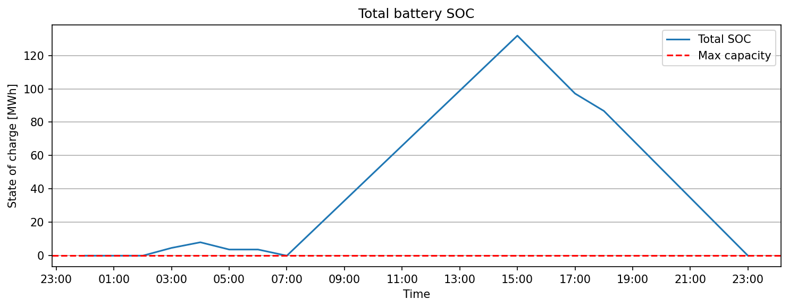
snapshot | BatteryStore_1_0
2022-01-01 | 0
2022-01-01 | 0
2022-01-01 | 0
2022-01-01 | 4.66
2022-01-01 | 8.03
2022-01-01 | 3.7
2022-01-01 | 3.7
2022-01-01 | 0
2022-01-01 | 16.48
2022-01-01 | 32.96
2022-01-01 | 49.44
2022-01-01 | 65.92
2022-01-01 | 82.4
2022-01-01 | 98.88
2022-01-01 | 115.36
2022-01-01 | 131.84
2022-01-01 | 114.5
2022-01-01 | 97.15
2022-01-01 | 86.74
2022-01-01 | 69.39
2022-01-01 | 52.04
2022-01-01 | 34.7
2022-01-01 | 17.35
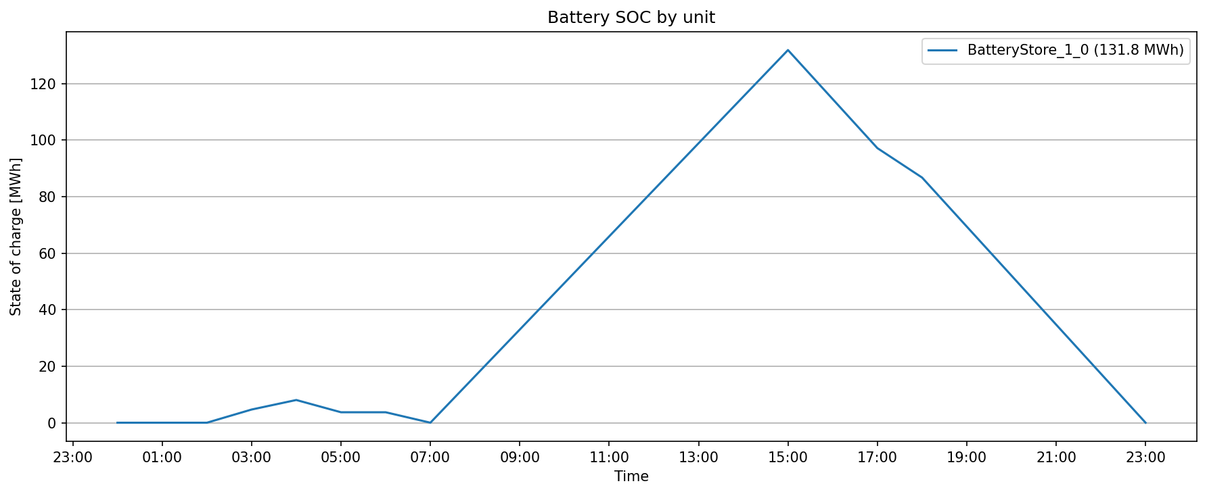
2022-01-01 | 0

line flows
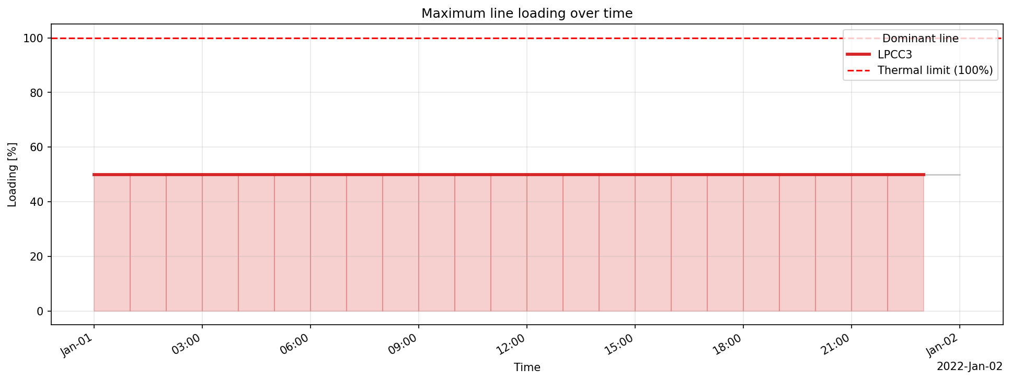
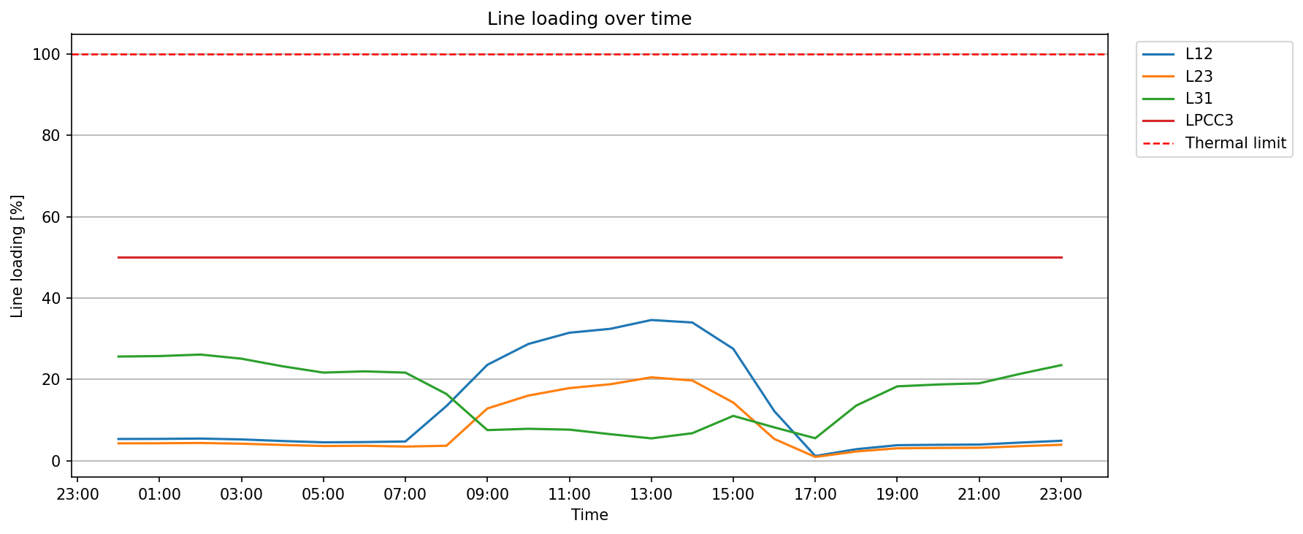
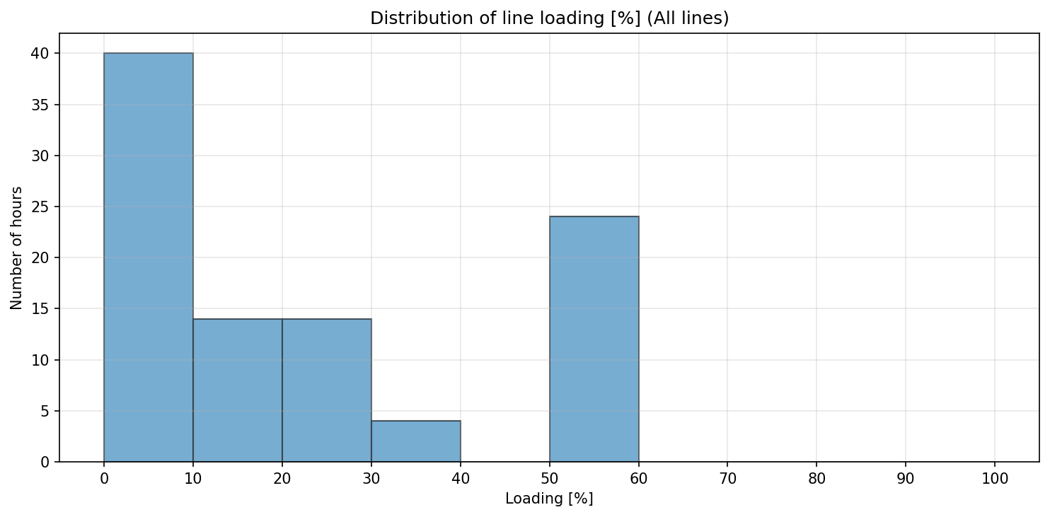
snapshot | L12 | L23 | L31 | LPCC3
2022-01-01 | -42.69 | -42.69 | 128.08 | -100
2022-01-01 | -42.88 | -42.88 | 128.64 | -100
2022-01-01 | -43.5 | -43.5 | 130.5 | -100
2022-01-01 | -41.81 | -41.81 | 125.43 | -100
2022-01-01 | -38.7 | -38.7 | 116.1 | -100
2022-01-01 | -36.11 | -36.11 | 108.32 | -100
2022-01-01 | -36.61 | -36.61 | 109.84 | -100
2022-01-01 | -37.77 | -34.77 | 108.31 | -100
2022-01-01 | -107.35 | 36.65 | 82.06 | -100
2022-01-01 | -188.65 | 128.35 | 37.61 | -100
2022-01-01 | -229.63 | 160.18 | 39.21 | -100
2022-01-01 | -251.76 | 178.49 | 38.19 | -100
2022-01-01 | -259.47 | 188.02 | 32.58 | -100
2022-01-01 | -276.79 | 204.97 | 27.43 | -100
2022-01-01 | -271.9 | 197.25 | 33.77 | -100
2022-01-01 | -220.04 | 142.96 | 55.12 | -100
2022-01-01 | -97.54 | 53.46 | 40.96 | -100
2022-01-01 | -9.2 | -9.2 | 27.6 | -100
2022-01-01 | -22.6 | -22.6 | 67.81 | -100
2022-01-01 | -30.48 | -30.48 | 91.43 | -100
2022-01-01 | -31.23 | -31.23 | 93.7 | -100
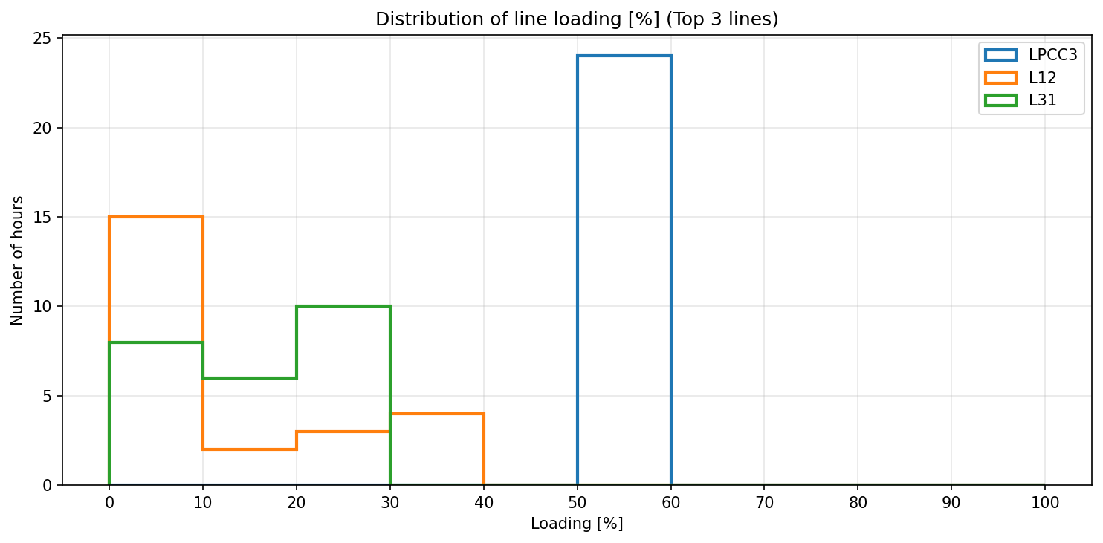
2022-01-01 | -31.72 | -31.72 | 95.16 | -100
2022-01-01 | -35.61 | -35.61 | 106.84 | -100
2022-01-01 | -39.16 | -39.16 | 117.48 | -100

prices
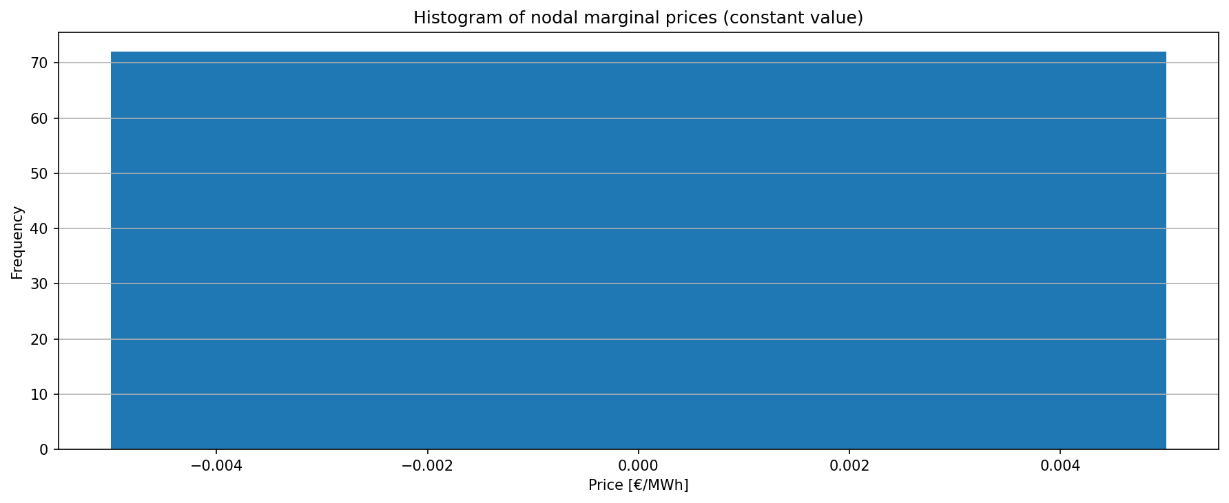
snapshot | Bus_node_1 | Bus_node_2 | Bus_node_3 | PCC | Bus_battery_1_0
2022-01-01 | 0 | 0 | 0 | 0 | 0
2022-01-01 | 0 | 0 | 0 | 0 | 0
2022-01-01 | 0 | 0 | 0 | 0 | 0
2022-01-01 | 0 | 0 | 0 | 0 | 0
2022-01-01 | 0 | 0 | 0 | 0 | 0
2022-01-01 | 0 | 0 | 0 | 0 | 0
2022-01-01 | 0 | 0 | 0 | 0 | 0
2022-01-01 | 0 | 0 | 0 | 0 | 0
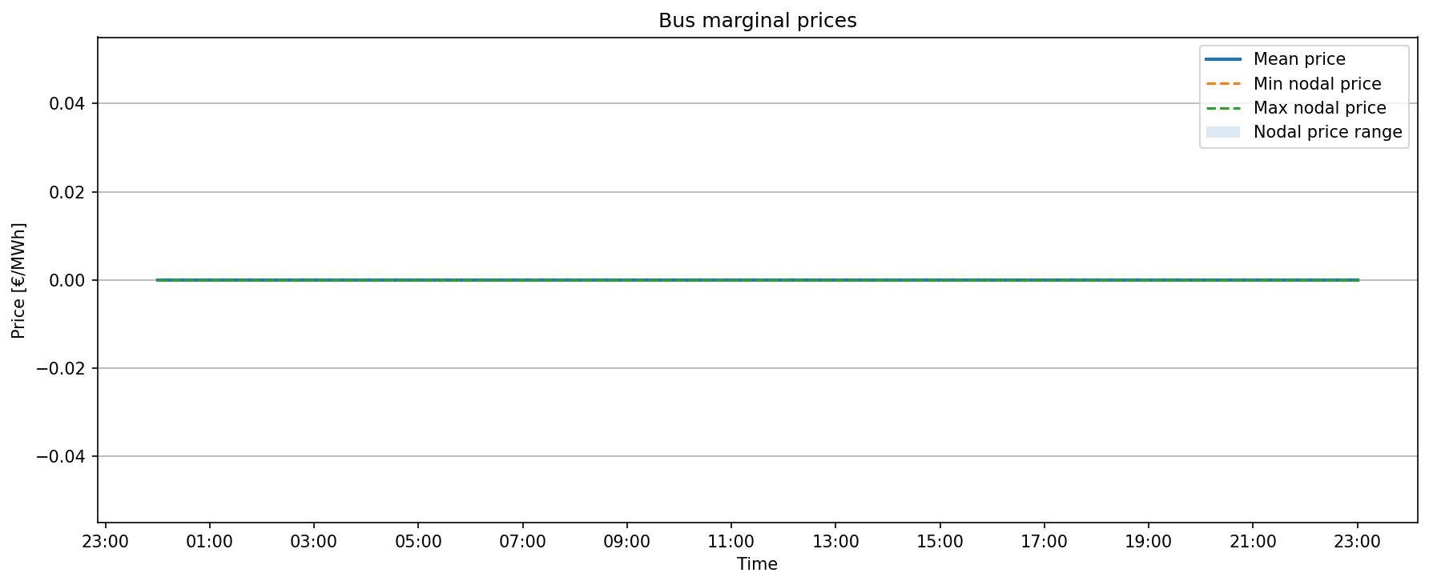
2022-01-01 | 0 | 0 | 0 | 0 | 0
2022-01-01 | 0 | 0 | 0 | 0 | 0
2022-01-01 | 0 | 0 | 0 | 0 | 0
2022-01-01 | 0 | 0 | 0 | 0 | 0
2022-01-01 | 0 | 0 | 0 | 0 | 0
2022-01-01 | 0 | 0 | 0 | 0 | 0
2022-01-01 | 0 | 0 | 0 | 0 | 0
2022-01-01 | 0 | 0 | 0 | 0 | 0
2022-01-01 | 0 | 0 | 0 | 0 | 0
2022-01-01 | 0 | 0 | 0 | 0 | 0
2022-01-01 | 0 | 0 | 0 | 0 | 0
2022-01-01 | 0 | 0 | 0 | 0 | 0
2022-01-01 | 0 | 0 | 0 | 0 | 0
2022-01-01 | 0 | 0 | 0 | 0 | 0
2022-01-01 | 0 | 0 | 0 | 0 | 0
2022-01-01 | 0 | 0 | 0 | 0 | 0

loads
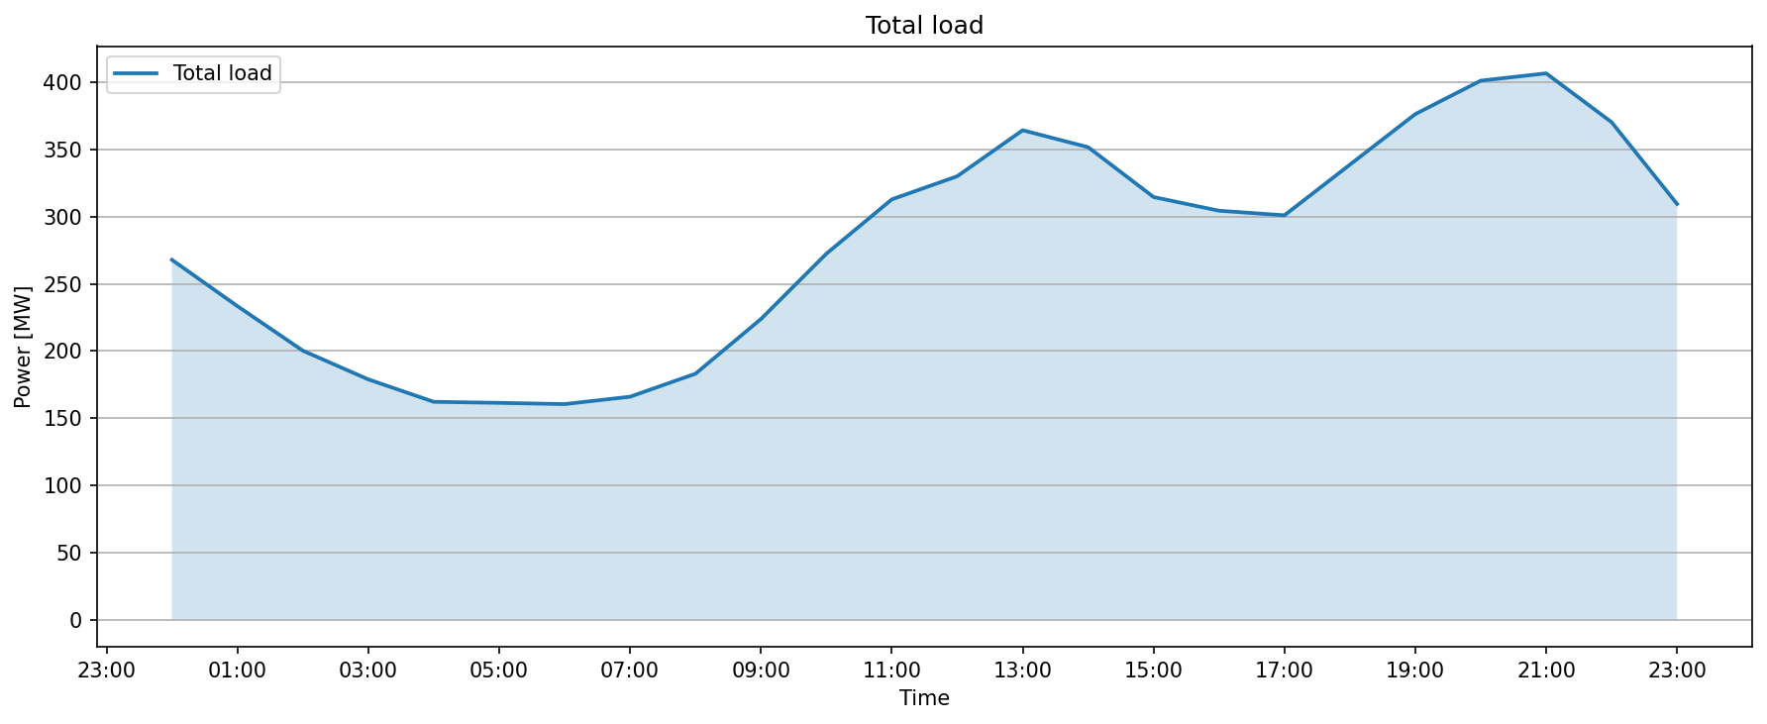
snapshot | Load_node_3_L0_COEF. PERFIL P3.0TDVE | Load_node_1_L1_COEF. PERFIL P2.0TD | Total_load
2022-01-01 | 21.746266508 | 246.12846381 | 267.87473032
2022-01-01 | 20.196436745 | 213.18657247 | 233.38300922
2022-01-01 | 17.091862794 | 183.11933983 | 200.21120262
2022-01-01 | 16.514976222 | 162.33230165 | 178.84727787
2022-01-01 | 10.890577226 | 151.25056764 | 162.14114487
2022-01-01 | 12.820740004 | 148.54015176 | 161.36089176
2022-01-01 | 9.3491010253 | 151.08423047 | 160.4333315
2022-01-01 | 6.7511459998 | 159.17861146 | 165.92975746
2022-01-01 | 10.994259658 | 172.06498602 | 183.05924568
2022-01-01 | 14.89733496 | 208.90671532 | 223.80405028
2022-01-01 | 20.961523842 | 251.49657407 | 272.45809792
2022-01-01 | 40.304915193 | 272.60326404 | 312.90817923
2022-01-01 | 55.442538041 | 274.69913753 | 330.14167558
2022-01-01 | 77.547516014 | 286.86569521 | 364.41321122
2022-01-01 | 63.481604898 | 288.32160611 | 351.803211
2022-01-01 | 56.836598542 | 257.81267739 | 314.64927593
2022-01-01 | 62.010888106 | 242.45874493 | 304.46963303
2022-01-01 | 57.105878021 | 243.93844448 | 301.0443225
2022-01-01 | 57.002686818 | 281.74457405 | 338.74726087
2022-01-01 | 63.868325494 | 312.57677383 | 376.44509932
2022-01-01 | 66.59010975 | 334.73715789 | 401.32726764
2022-01-01 | 63.41035426 | 343.35974555 | 406.77009981
2022-01-01 | 48.429483666 | 321.95615381 | 370.38563747
2022-01-01 | 33.849092354 | 275.64579121 | 309.49488357

